Arkusz1
 |  | Below models will be continued in 2022
Product short name | Product name | Picture | The product code | The EAN code | RRP | Trade | Status | Stock | Next delivery | RRP 2022 | Trade 2022
CRUISERFIX 3 | Car seat Kiddy Cruiserfix 3 Indigo Blue melange icy grey | 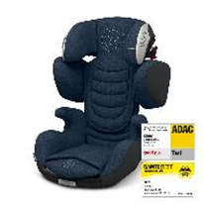 | 41523CF182 | 4009749373136 | € 249.00 | € 141.00 | 2022 | 0 | December 2021 | € 269.00 | € 147.50
CRUISERFIX 3 | Car seat Kiddy Cruiserfix 3 rubin pink | 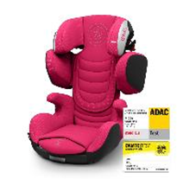 | 41523CF189 | 4009749372856 | € 249.00 | € 141.00 | 2022 | 27 | December 2021 | € 269.00 | € 147.50
CRUISERFIX 3 | Car seat Kiddy Cruiserfix 3 lizard green | 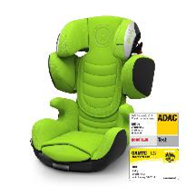 | 41523CF190 | 4009749372818 | € 249.00 | € 141.00 | 2022 | 106 | December 2021 | € 269.00 | € 147.50
CRUISERFIX 3 | Car seat Kiddy Cruiserfix 3 Midnight black | 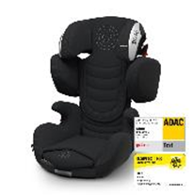 | 41523CF191 | 4009749372795 | € 249.00 | € 141.00 | 2022 | 0 | December 2021 | € 269.00 | € 147.50
GUARDIANFIX 3 | Car seat Kiddy Guardianfix 3 Beet red melange icy grey | 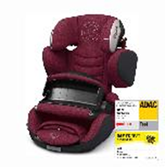 | 41553GF180 | 4009749373082 | € 299.00 | € 164.00 | 2022 | 0 | December 2021 | € 299.00 | € 164.00
GUARDIANFIX 3 | Car seat Kiddy Guardianfix 3 lizard green | 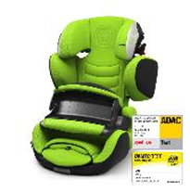 | 41553GF190 | 4009749372719 | € 299.00 | € 164.00 | 2022 | 26 | December 2021 | € 299.00 | € 164.00
GUARDIANFIX 3 | Car seat Kiddy Guardianfix 3 midnight black | 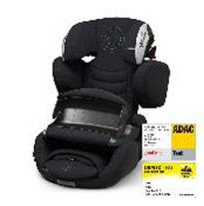 | 41553GF191 | 4009749372696 | € 299.00 | € 164.00 | 2022 | 0 | December 2021 | € 299.00 | € 164.00
EVOLUTION PRO 2 | Car seat Kiddy Evolution Pro 2 lizard green | 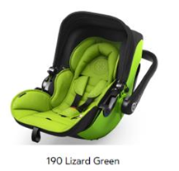 | 41920EV190 | 4009749372023 | € 229.00 | € 129.00 | 2022 | 114 | November 2021
EVOLUTION PRO 2 | Car seat Kiddy Evolution Pro 2 Moon grey | 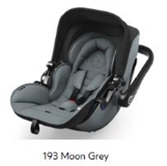 | 41920EV193 | 4009749372061 | € 229.00 | € 129.00 | 2022 | 259 | November 2021
EVOLUTION PRO 2 | Car seat Kiddy Evolution Pro 2 Midnight black | 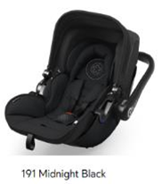 | 41920EV191 | 4009749372030 | € 229.00 | € 129.00 | 2022 | 0 | November 2021
EVOLUNA I-SIZE 2 | Car seat Kiddy Evoluba I-Size 2 lizard green | 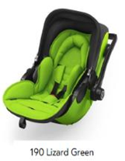 | 41942EL190 | 4009749372405 | € 449.00 | € 245.00 | 2022 | 23 | December 2021
EVOLUNA I-SIZE 2 | Car seat Kiddy Evoluba I-Size 2 Midnight black | 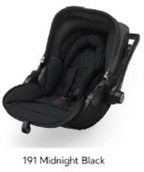 | 41942EL191 | 4009749372412 | € 449.00 | € 245.00 | 2022 | 0 | December 2021
EVOLUNA I-SIZE 2 | Car seat Kiddy Evoluba I-Size 2 Beet red melange icy grey | 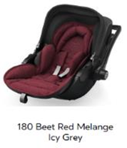 | 41942EL180 | 4009749373051 | € 449.00 | € 245.00 | 2022 | 0 | December 2021
EVOLUNA I-SIZE 2 | Car seat Kiddy Evoluba I-Size 2 Indigo blue melange icy grey | 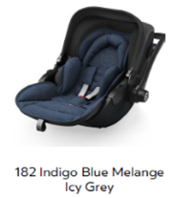 | 41942EL182 | 4009749373075 | € 449.00 | € 245.00 | 2022 | 0 | December 2021
Below models will not be continued
CRUISERFIX 3 | Car seat Kiddy Cruiserfix 3 Cactus green | 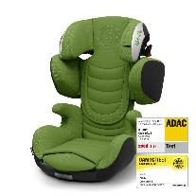 | 41523CF122 | 4009749365926 | € 249.00 | € 141.00 | Stock - product will not be continued | 163
CRUISERFIX 3 | Car seat Kiddy Cruiserfix 3 urban camo | 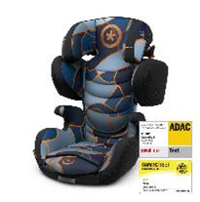 | 41523CF176 | 4009749368354 | € 249.00 | € 141.00 | Stock - product will not be continued | 20
CRUISERFIX 3 | Car seat Kiddy Cruiserfix 3 street jungle | 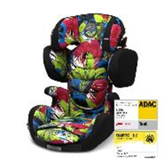 | 41523CF177 | 4009749368361 | € 249.00 | € 141.00 | Stock - product will not be continued | 24
CRUISERFIX 3 | Car seat Kiddy Cruiserfix 3 moon grey | 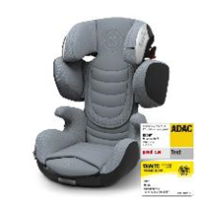 | 41523CF193 | 4009749372801 | € 249.00 | € 141.00 | Stock - product will not be continued | 128
CRUISERFIX 3 | Car seat Kiddy Cruiserfix 3 candy red | 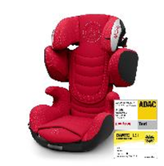 | 41523CF194 | 4009749372832 | € 249.00 | € 141.00 | Stock - product will not be continued | 843
CRUISERFIX 3 | Car seat Kiddy Cruiserfix 3 sky blue | 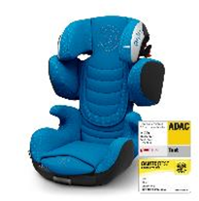 | 41523CF197 | 4009749372849 | € 249.00 | € 141.00 | Stock - product will not be continued | 298
CRUISERFIX 3 | Kiddy Car seat CRUISERFIX3 Mountain Blue |  | 41523CF124 | 4009749365896 | € 249.00 | € 141.00 | Stock - product will not be continued | 76
GUARDIANFIX 3 | Car seat Kiddy Guradianfix 3 Cactus Green | 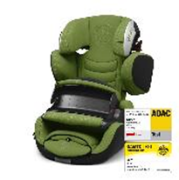 | 41553GF122 | 4009749365872 | € 299.00 | € 164.00 | Stock - product will not be continued | 50
GUARDIANFIX 3 | Car seat Kiddy Guardianfix 3 Urban Camo | 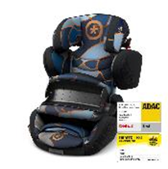 | 41553GF176 | 4009749368330 | € 299.00 | € 164.00 | Stock - product will not be continued | 104
GUARDIANFIX 3 | Car seat Kiddy Guardianfix 3 rubin pink | 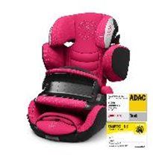 | 41553GF189 | 4009749372757 | € 299.00 | € 164.00 | Stock - product will not be continued | 63
GUARDIANFIX 3 | Car seat Kiddy Guardianfix 3 Candy red | 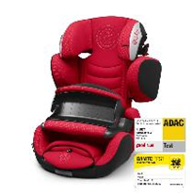 | 41553GF194 | 4009749372733 | € 299.00 | € 164.00 | Stock - product will not be continued | 20
GUARDIANFIX 3 | Car seat Kiddy Guardianfix 3 Sky Blue | 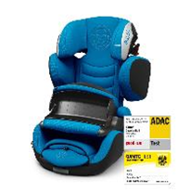 | 41553GF197 | 4009749372740 | € 299.00 | € 164.00 | Stock - product will not be continued | 66
GUARDIANFIX 3 | Kiddy Car seat GUARDIANFIX3 Berry Pink | 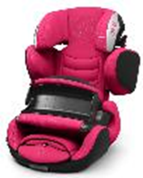 | 41553GF120 | 4009749365827 | € 299.00 | € 164.00 | Stock - product will not be continued | 15
GUARDIANFIX 3 | Kiddy Car seat GUARDIANFIX3 Mystic Black |  | 41553GF123 | 4009749365803 | € 299.00 | € 164.00 | Stock - product will not be continued | 125
GUARDIANFIX 3 | Kiddy Car seat GUARDIANFIX3 Mountain Blue |  | 41553GF124 | 4009749365810 | € 299.00 | € 164.00 | Stock - product will not be continued | 469
GUARDIANFIX 3 | Kiddy Car seat GUARDIANFIX3 Polar Grey |  | 41553GF125 | 4009749365841 | € 299.00 | € 164.00 | Stock - product will not be continued | 62
GUARDIANFIX 3 | Kiddy Car seat GUARDIANFIX3 Spring Green | 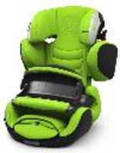 | 41553GF127 | 4009749365865 | € 299.00 | € 164.00 | Stock - product will not be continued | 103
GUARDIANFIX 3 | Kiddy Car seat GUARDIANFIX3 Stone Grey Melange - Flash Green |  | 41553GF163 | 4009749377301 | € 299.00 | € 164.00 | Stock - product will not be continued | 48
GUARDIANFIX 3 | Kiddy Car seat GUARDIANFIX3 Stone Grey Melange - Solar Orange | 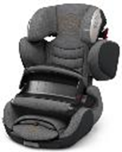 | 41553GF164 | 4009749377318 | € 299.00 | € 164.00 | Stock - product will not be continued | 60
GUARDIANFIX 3 | Kiddy Car seat GUARDIANFIX3 Stone Grey Melange - Silver Grey | 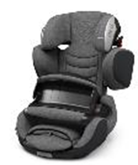 | 41553GF165 | 4009749377325 | € 299.00 | € 164.00 | Stock - product will not be continued | 188
GUARDIANFIX 3 | Kiddy Car seat GUARDIANFIX3 Grey Melange Icy Grey |  | 41553GF170 | 4009749367029 | € 299.00 | € 164.00 | Stock - product will not be continued | 283
GUARDIANFIX 3 | Kiddy Car seat GUARDIANFIX3 Grey Melange - Hot Red | 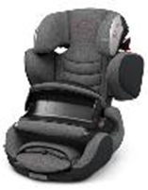 | 41553GF171 | 4009749367036 | € 299.00 | € 164.00 | Stock - product will not be continued | 293
GUARDIANFIX 3 | Kiddy Car seat GUARDIANFIX3 Grey Melange - Safe Orange |  | 41553GF172 | 4009749367043 | € 299.00 | € 164.00 | Stock - product will not be continued | 356
GUARDIANFIX 3 | Kiddy Car seat GUARDIANFIX3 Grey Melange - Super Green | 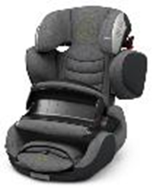 | 41553GF173 | 4009749367050 | € 299.00 | € 164.00 | Stock - product will not be continued | 262
GUARDIANFIX 3 | Kiddy Car seat GUARDIANFIX3 Street Jungle | 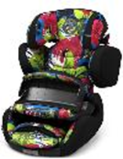 | 41553GF177 | 4009749368347 | € 299.00 | € 164.00 | Stock - product will not be continued | 46
PHOENIXFIX 3 | Car seat Kiddy Phoenixfix 3 Cactus green | 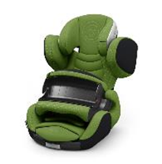 | 41543PF122 | 4009749365773 | € 229.00 | € 108.00 | Stock - product will not be continued | 114
PHOENIXFIX 3 | Car seat Kiddy Phoenixfix 3 rubin pink | 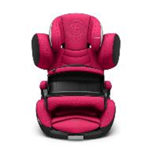 | 41543PF189 | 4009749372357 | € 229.00 | € 108.00 | Stock - product will not be continued | 163
PHOENIXFIX 3 | Car seat Kiddy Phoenixfix 3 lizard green | 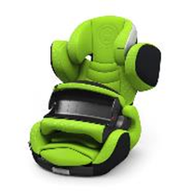 | 41543PF190 | 4009749372306 | € 229.00 | € 108.00 | Stock - product will not be continued | 80
PHOENIXFIX 3 | Car seat Kiddy Phoenixfix 3 midnight black | 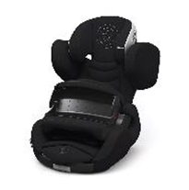 | 41543PF191 | 4009749372283 | € 229.00 | € 108.00 | Stock - product will not be continued | 54
PHOENIXFIX 3 | Car seat Kiddy Phoenixfix 3 indigo blue | 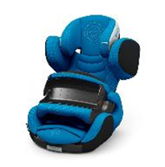 | 41543PF192 | 4009749372313 | € 229.00 | € 108.00 | Stock - product will not be continued | 272
PHOENIXFIX 3 | Car seat Kiddy Phoenixfix 3 moon grey | 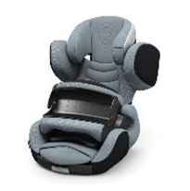 | 41543PF193 | 4009749372290 | € 229.00 | € 108.00 | Stock - product will not be continued | 321
PHOENIXFIX 3 | Car seat Kiddy Phoenixfix 3 candy red | 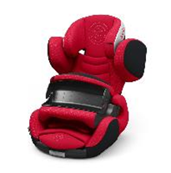 | 41543PF194 | 4009749372320 | € 229.00 | € 108.00 | Stock - product will not be continued | 181
PHOENIXFIX 3 | Car seat Kiddy Phoenixfix 3 sky blue | 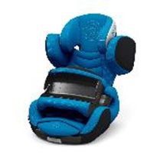 | 41543PF197 | 4009749372344 | € 229.00 | € 108.00 | Stock - product will not be continued | 149
PHOENIXFIX 3 | Kiddy Car seat PHOENIXFIX3 Mystic Black | 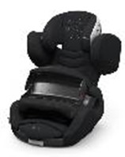 | 41543PF123 | 4009749365728 | € 229.00 | € 108.00 | Stock - product will not be continued | 559
PHOENIXFIX 3 | Kiddy Car seat PHOENIXFIX3 Mountain Blue | 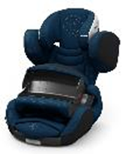 | 41543PF124 | 4009749365735 | € 229.00 | € 108.00 | Stock - product will not be continued | 580
PHOENIXFIX 3 | Kiddy Car seat PHOENIXFIX3 Polar Grey | 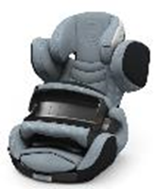 | 41543PF125 | 4009749365742 | € 229.00 | € 108.00 | Stock - product will not be continued | 135
PHOENIXFIX 3 | Kiddy Car seat PHOENIXFIX3 Chili Red | 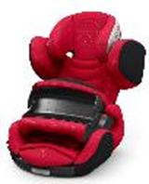 | 41543PF126 | 4009749365759 | € 229.00 | € 108.00 | Stock - product will not be continued | 41
PHOENIXFIX 3 | Kiddy Car seat PHOENIXFIX3 Spring Green | 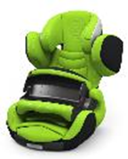 | 41543PF127 | 4009749365766 | € 229.00 | € 108.00 | Stock - product will not be continued | 71
EVOLUTION PRO 2 | Kiddy Car seat EVOLUTION PRO 2 Nougat Brown | 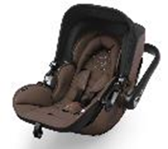 | 41920EV039 | 4009749351943 | € 229.00 | € 129.00 | Stock - product will not be continued | 33
EVOLUTION PRO 2 | Kiddy Car seat EVOLUTION PRO 2 Ruby Red | 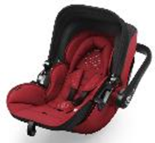 | 4192EV071 | 4009749351899 | € 229.00 | € 129.00 | Stock - product will not be continued | 47
EVOLUTION PRO 2 | Kiddy Car seat EVOLUTION PRO 2 Summer Blue | 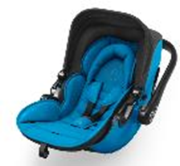 | 41920EV121 | 4009749366152 | € 229.00 | € 129.00 | Stock - product will not be continued | 131
EVOLUTION PRO 2 | Kiddy Car seat EVOLUTION PRO 2 Cactus Green | 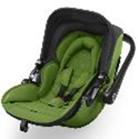 | 41920EV122 | 4009749366169 | € 229.00 | € 129.00 | Stock - product will not be continued | 21
EVOLUTION PRO 2 | Kiddy Car seat EVOLUTION PRO 2 Rubin Pink | 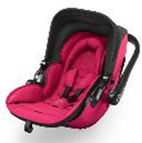 | 41920EV189 | 4009749372276 | € 229.00 | € 129.00 | Stock - product will not be continued | 53
EVOLUTION PRO 2 | Kiddy Car seat EVOLUTION PRO 2 Sky Blue |  | 41920EV197 | 4009749372085 | € 229.00 | € 129.00 | Stock - product will not be continued | 36
EVOLUNA i-SIZE 2 | Kiddy Car seat EVOLUNA i-SIZE 2 Berry Pink |  | 41942EL120 | 4009749366855 | € 449.00 | € 245.00 | Stock - product will not be continued | 26
EVOLUNA i-SIZE 2 | Kiddy Car seat EVOLUNA i-SIZE 2 Summer Blue |  | 41942EL121 | 4009749366862 | € 449.00 | € 245.00 | Stock - product will not be continued | 42
EVOLUNA i-SIZE 2 | Kiddy Car seat EVOLUNA i-SIZE 2 Cactus Green |  | 41942EL122 | 4009749366879 | € 449.00 | € 245.00 | Stock - product will not be continued | 28
EVOLUNA i-SIZE 2 | Kiddy Car seat EVOLUNA i-SIZE 2 Mountain Blue |  | 41942EL124 | 4009749366886 | € 449.00 | € 245.00 | Stock - product will not be continued | 15
EVOLUNA i-SIZE 2 | Kiddy Car seat EVOLUNA i-SIZE 2 Chili Red |  | 41942EL126 | 4009749366909 | € 449.00 | € 245.00 | Stock - product will not be continued | 35
EVOLUNA i-SIZE 2 | Kiddy Car seat EVOLUNA i-SIZE 2 Grey Melange - Hot Red |  | 41942EL171 | 4009749367081 | € 449.00 | € 245.00 | Stock - product will not be continued | 62
EVOLUNA i-SIZE 2 | Kiddy Car seat EVOLUNA i-SIZE 2 Moon Grey |  | 41942EL193 | 4009749372436 | € 449.00 | € 245.00 | Stock - product will not be continued | 12

